Hiking Mileage Tracking Form
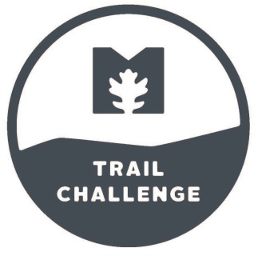
Metroparks Trail Challenge 2018-19

Last Name | First Name

Phone #
e-mail
Address
City, State
T-shirt Size
Hiking Goal

Date | Metropark | Trails Hiked | # Completed Miles

 |  | Total Miles | 0

Metroparks Hiking Trails
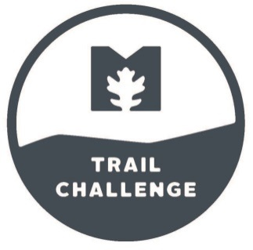
METROPARKS SUGGESTED TRAILS Round Trip
Bend view | Miles
Towpath Trail to Providence | 10.00
Towpath Trail to Farnsworth | 6.00
Blue Creek | Miles
Quarry Trail Loop | 1.00
Fallen Timbers | Miles
NW Territory Trail | 1.50
Farnsworth | Miles
Towpath Trail (Farnsworth to Providence) | 18.00
Howard Marsh | Miles
Walking Trail | 6.00
Middlegrounds | Miles
Walk/Bike Path | 1.10
Oak Openings Preserve | Miles
Ridge Trail | 3.20
Horseshoe Lake Trail | 1.50
Sand Dunes Trail | 2.00
Ferns & Lakes Trail | 2.70
Mallard Lake Loop | 0.60
Evergreen Trail | 2.20
Springbrook Lake Trail | 1.00
Evergreen Lake Trail | 1.40
Oak Openings Hiking Trail | 15.11
All Purpose Walk/Bike Path | 5.30
Pearson | Miles
Exercise Trail | 2.90
Black Swamp Trail Short Loop | 1.30
Black Swamp Trail Short Loop | 0.80
Wood Thrush Trail | 1.30
All Purpose Walk/Bike Path | 3.00
All Purpose Walk/Bike Path North Side | 1.50
Providence | Miles
River Bluff Trail | 2.25
Towpath Trail (Providence to Farnsworth) | 18.00
Secor | Miles
Forest Edge Trail 0.7 miles | 0.70
Bluebird Habitat Trail 1.6 miles | 1.60
Wildflower Trail | 1.20
Wildflower Trail Connector | 0.60
Wetwoods Trail | 1.20
Upland Woods Trail | 1.20
Woodland Pond Trail | 0.20
All Purpose Walk/Bike Path | 2.70
Side Cut | Miles
Fallen Timbers Trail | 3.90
Canal Locks Trail | 0.60
Wood Duck Trail | 0.90
Riverview Trail | 1.30
Wabash Cannonball Trail Connector | 1.60
Swan Creek Preserve | Miles
Big Woods Trail (from Glendale Trailhead) | 0.80
Meadow Trail (from Glendale Trailhead) | 1.05
Floodplain Trail | 0.12
Big Woods Trail (from Airport Trailhead) | 1.72
Meadow Trail (from Airport Trailhead) | 1.30
North Trail (from Airport Trailhead) | 1.32
Swan Creek Trail (Airport Hwy. to Glendale) | 0.76
Toledo Botanical Garden | Miles
All Purpose Trail (Use Tracker for mileage) | 0.00
University/Parks Trail | Miles
UT to King Road | 12.60
Wabash-Cannonball Trail | Miles
North Fork | 18.00
South Fork | 20.00
Westwinds | Miles
Oak Woods Trail | 1.00
Wildwood Preserve | Miles
Meadow Loop Trail | 0.60
Floodplain Trail | 1.35
Ridge Loop Trail | 0.50
Prairie Trail | 1.50
Grasslands Trail | 1.60
Upland Woods Trail | 2.35
All Purpose Walk-Bike Path | 1.65
Wiregrass | Miles
Blue Dasher Trail | 0.60

Total | 196.18

